English
Reservation Form
【 MG-XVI 2018 】

To be sent to : Mitsui Garden Hotel Kashiwa-no-ha
<E-mail> ha_front@gardenhotels.co.jp
Reservation form should be sent within August 24, 2018
Bookings will be handled on a first come first serve basis.

* We would like to inform you that we only have limited room available, so please understand.
* We will send you the confirmation mail after we receive your reservation form.
* If you wish to reserve more than one room, please fill out the reservation form separately.
* The number of rooms for this conference is limited. We may refuse reservation due to fully booked.
* For changing or canceling your reservation please contact us via e-mail.

Date for Checking In |  |  |  |  | 0 | Arrival Time
Date for Checking Out |  |  |  |  | 0 | Number of Nights |  | 0Night(s)
* The check-in time is 3p.m. and check-out time is 11a.m.

Room Type |  |  | Person | Room only |  |  | With breakfast
Single(Non smoking) |  |  | 1person |  | ¥8,700 |  |  | ¥10,000
Double(Non smoking) |  |  | 1person |  | ¥9,200 |  |  | ¥10,500
 |  |  | 2persons |  | ¥11,000 |  |  | ¥13,600
* Price listed is per room, per night including tax.
* Breakfast is buffet style, open hours from 6:30 am to 10:00 am. (Last entry 9:30 am)
Even the person of a plan who doesn't include breakfast can eat breakfast for \1,300 each.

Name |  |  |  |  |  |  |  |  | Gender

E-mail |  |  |  |  |  | @

Country

Remarks |  | *Let us know if you wish to stay in other type of room.

For hotel use

 |  |  |  |  |  |  | Date |  | Clerk

 | 148-2 Kashiwanoha Campus,
 | 178-4 Wakashiba, Kashiwa-city, Chiba, 277-0871
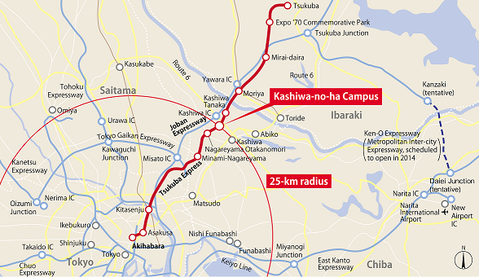
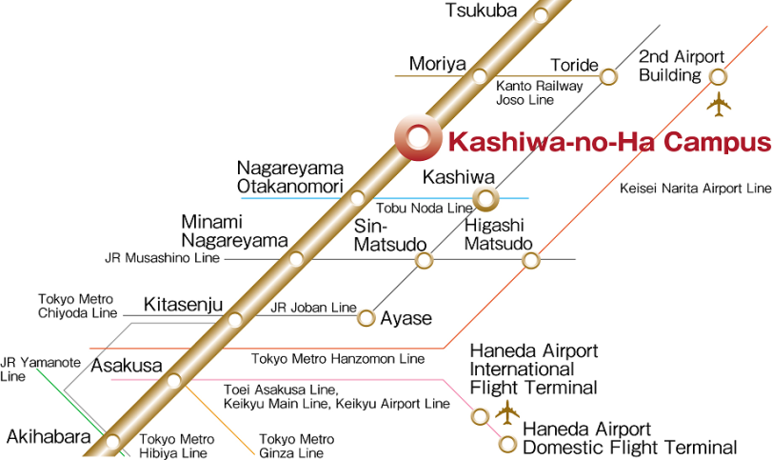

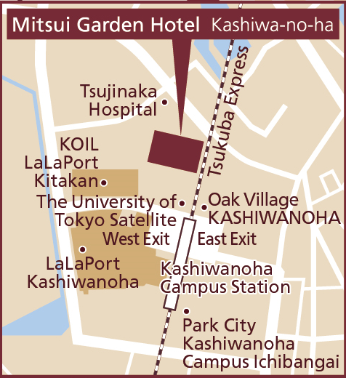

By Train |  | ・ 2 mins walk from Kashiwanoha Campus Station (West Exit) on the Tsukuba Express Line.

By Car |  | ・ 5 mins drive from Kashiwa InterChange on the Joban Expressway.

By Plane |  | From Narita International Airport:

 |  | ・ Approximately 60 mins by train.
 |  | From Narita International Airport take the Keisei SKY ACCESS Line (Access Express)
 |  | to Higashi-matsudo Station. Transfer to the Musashino Line to Minami-nagareyama
 |  | Station, then take the Tsukuba Express Line to Kashiwanoha Campus Station.

 |  | ・ Approximately 65 - 75 mins by limousine bus to Kashiwanoha Campus Station.

 |  | From Haneda Airport:

 |  | ・ Approximately 70 - 100 mins by limousine bus to Kashiwanoha Campus Station.

